Mileage Form


 |  | 2022 Mileage Form

Name:
Address:
City: |  | State: |  | Zip:
Assigned Work Location: |  | NOAH Dept: |  | Employee #:
Date: | General Description | Odometer Reading |  | # of Miles | Mileage Rate
mm/dd/yr |  | Start | Stop |  | DEPENDS ON DATE
 |  |  |  |  | -
 |  |  |  |  | -
 |  |  |  |  | -
 |  |  |  |  | -
 |  |  |  |  | -
 |  |  |  |  | -
 |  |  |  |  | -
 |  |  |  |  | - | `
 |  |  |  |  | -
 |  |  |  |  | -
 |  |  |  |  | -
 |  |  |  |  | -
 |  |  |  |  | -
 |  |  |  |  | -
 |  |  |  |  | -
 |  |  |  |  | -
 |  |  |  |  | -
 |  |  |  |  | -
 |  |  |  |  | -
 |  |  |  |  | -
 |  |  |  |  | -
 |  |  |  |  | -
 |  |  |  |  | -
 |  |  |  |  | -
 |  |  |  |  | -
 |  |  |  |  | -
 |  |  |  |  | -
 |  |  |  |  | -
 |  |  |  |  | -
 |  |  |  |  | -
 |  |  |  |  | -
 |  | TOTALS |  | 0 | -

Employee Signature

Managers Approval
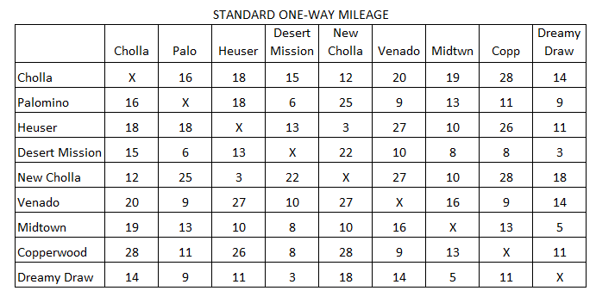

 |  |  | REMINDERS:
 |  |  | Refer to Travel Policy Guidelines prior to
 |  |  | submitting reimbursement.
 |  |  | All Signatures must be legible
 |  |  | Submit Monthly within 5 days of month end
 |  |  | Obtain Managers Approval
 |  |  | Deduct personal miles from odometer reading
 |  |  | 2022 eff 7/1 Reimbursement rate: $.62.5 per mile
 |  |  | Email completed form:
 |  |  | noahap@honorhealth.com

